Conclusion
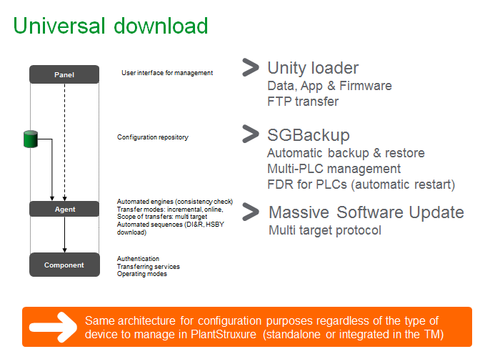
MDI and MSU in PSx seems to bring in all the tools under one umbrella by fitting all of them into a common architecture.

